Products
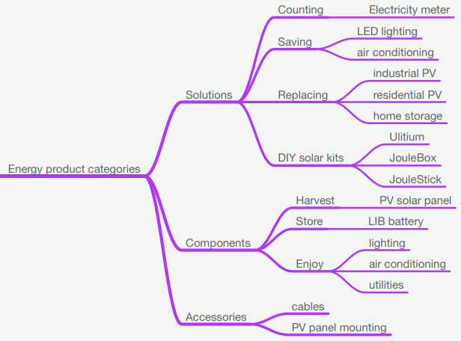
2019-01-06
product types are organized according to the following tree
3 Main Categories:
1. System Solutions
2. System Components
3. Accessories

System Solutions have 4 focus areas of sales :
1. Energy Accounting solutions
2. Energy Saving Solutions
3. Energy Replacement Solutions
4. DIY Solar Kits

System Components has 3 sub categories :
1. Components for Energy Harvest
2. Components for Energy Storage
3. Components for Energy Enjoyment

Accessories have 2 sub categries (but will be added over time)

TYPE | SUBCATEGORY | CATEGORY
Product Type | Sub category of: | Sub category of:
Electricity Meter | Counting | Solutions
LED Lighting | Saving & Enjoy | Solutions & Components
Air Conditioning | Saving & Enjoy | Solutions & Components
Industrial PV | Replacing | Solutions
Residential PV | Replacing | Solutions
Home Battery | Replacing | Solutions
Ulitium | Solar Home Kits | Solutions
JouleBox | Solar Home Kits | Solutions
PV Solar Panel | Harvest | Components

CATEGORY | SUBCATEGORY | TYPE
Sub category of: | Sub category of: | Product Type
Components | Harvest | PV Solar Panel
Solutions | Counting | Electricity Meter
Solutions | Replacing | Industrial PV
Solutions | Replacing | Residential PV
Solutions | Replacing | Home Battery
Solutions | Solar Home Kits | Ulitium
Solutions | Solar Home Kits | JouleBox
Solutions & Components | Saving & Enjoy | LED Lighting
Solutions & Components | Saving & Enjoy | Air Conditioning

Enums
Components
Solutions
Solutions & Components
 | Harvest
 | Counting
 | Replacing
 | Solar Home Kits
 | Saving & Enjoy
 |  | PV Solar Panel
 |  | Electricity Meter
 |  | Industrial PV
 |  | Residential PV
 |  | Home Battery
 |  | Ulitium
 |  | JouleBox
 |  | LED Lighting
 |  | Air Conditioning

Period DATA
<period> |  | <-href=next/prev->
 | <grandchild> [#] | href[]=<child>
 |  | <child> [# elements]
href=<parent>

minute |  | <-href=next/prev(minute)-> |  | second | instant
 | ms [all available] | href[]=second |  | 1-60
 |  | second [60]
href=hour

hour |  | <-href=next/prev(hour)-> |  | minute | second
 | second [60] | href[]=minute |  | 1-60 | 1-60
 |  | minute [60]
href=day

timeofday |  | <-href=next/prev(timeofday)-> |  | hour | minute
 | minute [60] | href[]=day
 |  | hour [6]
href=

day |  | <-href=next/prev(day)-> |  | timeofday | hour
 | hour [6] | href[]=hour
 |  | timeofday [4]
href=week

week |  | <-href=next/prev(week)-> |  | day | timeofday
 | hour [24] | href[]=day
 |  | day [7]
href=month

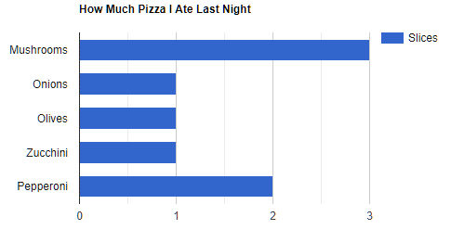
 |  |  |  |  |  |  | week | 04/02/2019-10/02/2019
 |  |  |  |  |  |  | hourâ dayà | Monday | Tuesday | Wednesday | Thursday | Friday | Saturday | Sunday
 |  |  |  |  |  |  | 06 | 54 | 3640 | 54 | 54 | 54 | 54 | 54
 |  |  |  |  |  |  | 07 | 3640 | 3643 | 30 | 30 | 30 | 3520 | 30
 |  |  |  |  |  |  | 08 | 33 | 33 | 33 | 33 | 3520 | 33 | 3520
 |  |  |  |  |  |  | 09 | 23 | 23 | 23 | 3520 | 3640 | 2333 | 23
 |  |  |  |  |  |  | 10 | 55 | 1233 | 2333 | 2000 | 2333 | 55 | 2000
 |  |  |  |  |  |  | 11 | 44 | 44 | 3520 | 2000 | 44 | 44 | 44
 |  |  |  |  |  |  | 12 | 54 | 3640 | 54 | 54 | 54 | 54 | 54
 |  |  |  |  |  |  | 13 | 3640 | 3643 | 30 | 30 | 30 | 3520 | 30
 |  |  |  |  |  |  | 14 | 33 | 33 | 33 | 33 | 3520 | 33 | 3520
 |  |  |  |  |  |  | 15 | 23 | 23 | 23 | 3520 | 3640 | 2333 | 23
 |  |  |  |  |  |  | 16 | 55 | 1233 | 2333 | 2000 | 2333 | 55 | 2000
 |  |  |  |  |  |  | 17 | 44 | 44 | 3520 | 2000 | 44 | 44 | 44
 |  |  |  |  |  |  | 18 | 54 | 3640 | 54 | 54 | 54 | 54 | 54
 |  |  |  |  |  |  | 19 | 3640 | 3643 | 30 | 30 | 30 | 3520 | 30
 |  |  |  |  |  |  | 20 | 33 | 33 | 33 | 33 | 3520 | 33 | 3520
 |  |  |  |  |  |  | 21 | 23 | 23 | 23 | 3520 | 3640 | 2333 | 23
 |  |  |  |  |  |  | 22 | 55 | 1233 | 2333 | 2000 | 2333 | 55 | 2000
 |  |  |  |  |  |  | 23 | 44 | 44 | 3520 | 2000 | 44 | 44 | 44
 |  |  |  |  |  |  | 24 | 54 | 3640 | 54 | 54 | 54 | 54 | 54
 |  |  |  |  |  |  | 01 | 3640 | 3643 | 30 | 30 | 30 | 3520 | 30
 |  |  |  |  |  |  | 02 | 33 | 33 | 33 | 33 | 3520 | 33 | 3520
 |  |  |  |  |  |  | 03 | 23 | 23 | 23 | 3520 | 3640 | 2333 | 23
 |  |  |  |  |  |  | 04 | 55 | 1233 | 2333 | 2000 | 2333 | 55 | 2000
 |  |  |  |  |  |  | 05 | 44 | 44 | 3520 | 2000 | 44 | 44 | 44
 |  |  |  |  |  |  | total | 15396 | 34464 | 23972 | 30548 | 38484 | 24156 | 22684

month |  | <-href=next/prev(month)-> |  | day | timeofday
 | day [7] | href[]=week
 |  | week [4]
href=quarter

quarter |  | <-href=next/prev(quarter)-> |  | month | day
 | week [4] | href[]=month
 |  | month [4]
href=year

year |  | <-href=next/prev(year)-> |  | quarter | month
 | week [4] | href[]=month
 |  | month [12]
href=5year

5year |  | <-href=next/prev(5year)-> |  | year | quarter
 | month [12] | href[]=year
 |  | year [5]
href=

 |  |  | 06 | 07 | 08 | 09 | 10 | 11 | 12 | 13 | 14 | 15 | 16 | 17 | 18 | 19 | 20 | 21 | 22 | 23 | 24 | 01 | 02 | 03 | 04 | 05

 |  |  | period | period | week
 |  |  |  | epoch
 |  |  |  | duration
 |  |  |  | title |  |  | title": "Monday Tuesday Wednesday Thursday Friday Saturday Sunday"
 |  |  |  | prompt
 |  |  |  | data

 |  |  |  | collection | child

 |  |  |  | next
 |  |  |  | prev
 |  |  |  | parent
 |  |  | energy
 |  |  | site

 |  |  | http:/api.endpoints.sundaya.cloud.goog/energy/hse/week/20190204/1?site=9999

 |  | DataObj to provide
 |  | links + hrefs | Param.Period
 |  |  | value | week | link.name
 |  |  | size
 |  |  | has
 |  |  | hasValue
 |  |  | [] name, value

{
"collection": {
"version": "0.2",
"href": "http:/api.endpoints.sundaya.cloud.goog/energy/hse/week/20190204/1?site=9999",
"links": [
{ "rel": "self", "name": "week", "prompt": "Week 06 2019", "title": "04/02/19 - 10/02/19",
"href": "http:/api.endpoints.sundaya.cloud.goog/energy/hse/week/20190204/1?site=9999"
},
{ "rel": "collection", "name": "week.day", "prompt": "Week 06 2019 - Days", "title": "Monday Tuesday Wednesday Thursday Friday Saturday Sunday",
"href": "http:/api.endpoints.sundaya.cloud.goog/energy/hse/day/20190204/7?site=9999"
},
{ "rel": "up", "name": "month", "prompt": "February 2019", "title": "01/02/19 - 28/02/19",
"href": "http:/api.endpoints.sundaya.cloud.goog/energy/hse/month/20190201/1?site=9999", "render": "link"
},
{ "rel": "next", "name": "week", "prompt": "Week 07 2019", "title": "11/02/19 - 17/02/19",
"href": "http:/api.endpoints.sundaya.cloud.goog/energy/hse/week/20190211/1?site=9999", "render": "link"
},
{ "rel": "prev", "name": "week", "prompt": "Week 05 2019", "title": "28/01/19 - 03/02/19",
"href": "http:/api.endpoints.sundaya.cloud.goog/energy/hse/week/20190128/1?site=9999", "render": "link"
}
],
"items": [
{ "href": "http:/api.endpoints.sundaya.cloud.goog/energy/hse/day/20190204/1?site=9999",
"links": [
{ "rel": "self", "name": "day", "prompt": "Mon Feb 4th", "title": "04/02/19",
"href": "http:/api.endpoints.sundaya.cloud.goog/energy/hse/day/20190204/1?site=9999", "render": "link"
},
{ "rel": "collection", "name": "day.hour", "prompt": "Mon Feb 4th - Hours", "title": "00 01 02 03 04 05 06 07 08 09 10 11 12 13 14 15 16 17 18 19 20 21 22 23",
"href": "http:/api.endpoints.sundaya.cloud.goog/energy/hse/hour/20190204T0000/24?site=9999"
}
],
"data": [
{ "name": "harvest.day", "value": "15396" },
{ "name": "store.day.in", "value": "15396" },
{ "name": "store.day.out", "value": "15396" },
{ "name": "enjoy.day", "value": "15396" },
{ "name": "grid.day.in", "value": "0" },
{ "name": "grid.day.out", "value": "15396" },
{ "name": "harvest.day.hours", "value": "54 3640 33 23 55 44 54 3640 33 23 55 44 54 3640 33 23 55 44 54 3640 33 23 55 44" },
{ "name": "store.day.hours.in", "value": "54 3640 33 23 55 44 54 3640 33 23 55 44 54 3640 33 23 55 44 54 3640 33 23 55 44" },
{ "name": "store.day.hours.out", "value": "54 3640 33 23 55 44 54 3640 33 23 55 44 54 3640 33 23 55 44 54 3640 33 23 55 44" },
{ "name": "enjoy.day.hours", "value": "54 3640 33 23 55 44 54 3640 33 23 55 44 54 3640 33 23 55 44 54 3640 33 23 55 44" },
{ "name": "grid.day.hours.in", "value": "0 0 0 0 0 0 0 0 0 0 0 0 0 0 0 0 0 0 0 0 0 0 0 0" },
{ "name": "grid.day.hours.out", "value": "54 3640 33 23 55 44 54 3640 33 23 55 44 54 3640 33 23 55 44 54 3640 33 23 55 44" }
]
},
{ "href": "http:/api.endpoints.sundaya.cloud.goog/energy/hse/day/20190205/1?site=9999",
"links": [
{ "rel": "self", "name": "day", "prompt": "Day", "title": "Tuesday",
"href": "http:/api.endpoints.sundaya.cloud.goog/energy/hse/day/20190205/1?site=9999", "render": "link"
},
{ "rel": "item", "name": "day.hours", "prompt": "Hours", "title": "06 07 08 09 10 11 12 13 14 15 16 17 18 19 20 21 22 23 24 01 02 03 04 05",
"href": "http:/api.endpoints.sundaya.cloud.goog/energy/hse/hour/20190204T0600/24?site=9999"
}
],
"data": [
{ "name": "harvest.day", "value": "34464" },
{ "name": "store.day.in", "value": "34464" },
{ "name": "store.day.out", "value": "34464" },
{ "name": "enjoy.day", "value": "34464" },
{ "name": "grid.day.in", "value": "34464" },
{ "name": "grid.day.out", "value": "34464" },
{ "name": "harvest.day.hours", "value": "3640 3643 33 23 1233 44 3640 3643 33 23 1233 44 3640 3643 33 23 1233 44 3640 3643 33 23 1233 44" },
{ "name": "store.day.hours.in", "value": "3640 3643 33 23 1233 44 3640 3643 33 23 1233 44 3640 3643 33 23 1233 44 3640 3643 33 23 1233 44" },
{ "name": "store.day.hours.out", "value": "3640 3643 33 23 1233 44 3640 3643 33 23 1233 44 3640 3643 33 23 1233 44 3640 3643 33 23 1233 44" },
{ "name": "enjoy.day.hours", "value": "3640 3643 33 23 1233 44 3640 3643 33 23 1233 44 3640 3643 33 23 1233 44 3640 3643 33 23 1233 44" },
{ "name": "grid.day.hours.in", "value": "3640 3643 33 23 1233 44 3640 3643 33 23 1233 44 3640 3643 33 23 1233 44 3640 3643 33 23 1233 44" },
{ "name": "grid.day.hours.out", "value": "3640 3643 33 23 1233 44 3640 3643 33 23 1233 44 3640 3643 33 23 1233 44 3640 3643 33 23 1233 44" }
]
},
{ "href": "http:/api.endpoints.sundaya.cloud.goog/energy/hse/day/20190206/1?site=9999",
"links": [
{ "rel": "self", "name": "day", "prompt": "Day", "title": "Wednesday",
"href": "http:/api.endpoints.sundaya.cloud.goog/energy/hse/day/20190206/1?site=9999", "render": "link"
},
{ "rel": "item", "name": "day.hours", "prompt": "Hours", "title": "06 07 08 09 10 11 12 13 14 15 16 17 18 19 20 21 22 23 24 01 02 03 04 05",
"href": "http:/api.endpoints.sundaya.cloud.goog/energy/hse/hour/20190206T0600/24?site=9999"
}
],
"data": [
{ "name": "harvest.day", "value": "23972" },
{ "name": "store.day.in", "value": "23972" },
{ "name": "store.day.out", "value": "23972" },
{ "name": "enjoy.day", "value": "23972" },
{ "name": "grid.day.in", "value": "0" },
{ "name": "grid.day.out", "value": "23972" },
{ "name": "harvest.day.hours", "value": "54 30 33 23 2333 3520 54 30 33 23 2333 3520 54 30 33 23 2333 3520 54 30 33 23 2333 3520" },
{ "name": "store.day.hours.in", "value": "54 30 33 23 2333 3520 54 30 33 23 2333 3520 54 30 33 23 2333 3520 54 30 33 23 2333 3520" },
{ "name": "store.day.hours.out", "value": "54 30 33 23 2333 3520 54 30 33 23 2333 3520 54 30 33 23 2333 3520 54 30 33 23 2333 3520" },
{ "name": "enjoy.day.hours", "value": "54 30 33 23 2333 3520 54 30 33 23 2333 3520 54 30 33 23 2333 3520 54 30 33 23 2333 3520" },
{ "name": "grid.day.hours.in", "value": "0 0 0 0 0 0 0 0 0 0 0 0 0 0 0 0 0 0 0 0 0 0 0 0" },
{ "name": "grid.day.hours.out", "value": "54 30 33 23 2333 3520 54 30 33 23 2333 3520 54 30 33 23 2333 3520 54 30 33 23 2333 3520" }
]
},
{ "href": "http:/api.endpoints.sundaya.cloud.goog/energy/hse/day/20190207/1?site=9999",
"links": [
{ "rel": "self", "name": "day", "prompt": "Day", "title": "Thursday",
"href": "http:/api.endpoints.sundaya.cloud.goog/energy/hse/day/20190207/1?site=9999", "render": "link"
},
{ "rel": "item", "name": "day.hours", "prompt": "Hours", "title": "06 07 08 09 10 11 12 13 14 15 16 17 18 19 20 21 22 23 24 01 02 03 04 05",
"href": "http:/api.endpoints.sundaya.cloud.goog/energy/hse/hour/20190207T0600/24?site=9999"
}
],
"data": [
{ "name": "harvest.day", "value": "30548" },
{ "name": "store.day.in", "value": "30548" },
{ "name": "store.day.out", "value": "30548" },
{ "name": "enjoy.day", "value": "30548" },
{ "name": "grid.day.in", "value": "30548" },
{ "name": "grid.day.out", "value": "30548" },
{ "name": "harvest.day.hours", "value": "54 30 33 3520 2000 2000 54 30 33 3520 2000 2000 54 30 33 3520 2000 2000 54 30 33 3520 2000 2000" },
{ "name": "store.day.hours.in", "value": "54 30 33 3520 2000 2000 54 30 33 3520 2000 2000 54 30 33 3520 2000 2000 54 30 33 3520 2000 2000" },
{ "name": "store.day.hours.out", "value": "54 30 33 3520 2000 2000 54 30 33 3520 2000 2000 54 30 33 3520 2000 2000 54 30 33 3520 2000 2000" },
{ "name": "enjoy.day.hours", "value": "54 30 33 3520 2000 2000 54 30 33 3520 2000 2000 54 30 33 3520 2000 2000 54 30 33 3520 2000 2000" },
{ "name": "grid.day.hours.in", "value": "54 30 33 3520 2000 2000 54 30 33 3520 2000 2000 54 30 33 3520 2000 2000 54 30 33 3520 2000 2000" },
{ "name": "grid.day.hours.out", "value": "54 30 33 3520 2000 2000 54 30 33 3520 2000 2000 54 30 33 3520 2000 2000 54 30 33 3520 2000 2000" }
]
},
{ "href": "http:/api.endpoints.sundaya.cloud.goog/energy/hse/day/20190208/1?site=9999",
"links": [
{ "rel": "self", "name": "day", "prompt": "Day", "title": "Friday",
"href": "http:/api.endpoints.sundaya.cloud.goog/energy/hse/day/20190208/1?site=9999", "render": "link"
},
{ "rel": "item", "name": "day.hours", "prompt": "Hours", "title": "06 07 08 09 10 11 12 13 14 15 16 17 18 19 20 21 22 23 24 01 02 03 04 05",
"href": "http:/api.endpoints.sundaya.cloud.goog/energy/hse/hour/20190208T0600/24?site=9999"
}
],
"data": [
{ "name": "harvest.day", "value": "38484" },
{ "name": "store.day.in", "value": "38484" },
{ "name": "store.day.out", "value": "38484" },
{ "name": "enjoy.day", "value": "38484" },
{ "name": "grid.day.in", "value": "38484" },
{ "name": "grid.day.out", "value": "38484" },
{ "name": "harvest.day.hours", "value": "54 30 3520 3640 2333 44 54 30 3520 3640 2333 44 54 30 3520 3640 2333 44 54 30 3520 3640 2333 44" },
{ "name": "store.day.hours.in", "value": "54 30 3520 3640 2333 44 54 30 3520 3640 2333 44 54 30 3520 3640 2333 44 54 30 3520 3640 2333 44" },
{ "name": "store.day.hours.out", "value": "54 30 3520 3640 2333 44 54 30 3520 3640 2333 44 54 30 3520 3640 2333 44 54 30 3520 3640 2333 44" },
{ "name": "enjoy.day.hours", "value": "54 30 3520 3640 2333 44 54 30 3520 3640 2333 44 54 30 3520 3640 2333 44 54 30 3520 3640 2333 44" },
{ "name": "grid.day.hours.in", "value": "54 30 3520 3640 2333 44 54 30 3520 3640 2333 44 54 30 3520 3640 2333 44 54 30 3520 3640 2333 44" },
{ "name": "grid.day.hours.out", "value": "54 30 3520 3640 2333 44 54 30 3520 3640 2333 44 54 30 3520 3640 2333 44 54 30 3520 3640 2333 44" }
]
},
{ "href": "http:/api.endpoints.sundaya.cloud.goog/energy/hse/day/20190209/1?site=9999",
"links": [
{ "rel": "self", "name": "day", "prompt": "Day", "title": "Saturday",
"href": "http:/api.endpoints.sundaya.cloud.goog/energy/hse/day/20190209/1?site=9999", "render": "link"
},
{ "rel": "item", "name": "day.hours", "prompt": "Hours", "title": "06 07 08 09 10 11 12 13 14 15 16 17 18 19 20 21 22 23 24 01 02 03 04 05",
"href": "http:/api.endpoints.sundaya.cloud.goog/energy/hse/hour/20190209T0600/24?site=9999"
}
],
"data": [
{ "name": "harvest.day", "value": "24156" },
{ "name": "store.day.in", "value": "24156" },
{ "name": "store.day.out", "value": "24156" },
{ "name": "enjoy.day", "value": "24156" },
{ "name": "grid.day.in", "value": "0" },
{ "name": "grid.day.out", "value": "24156" },
{ "name": "harvest.day.hours", "value": "54 3520 33 2333 55 44 54 3520 33 2333 55 44 54 3520 33 2333 55 44 54 3520 33 2333 55 44" },
{ "name": "store.day.hours.in", "value": "54 3520 33 2333 55 44 54 3520 33 2333 55 44 54 3520 33 2333 55 44 54 3520 33 2333 55 44" },
{ "name": "store.day.hours.out", "value": "54 3520 33 2333 55 44 54 3520 33 2333 55 44 54 3520 33 2333 55 44 54 3520 33 2333 55 44" },
{ "name": "enjoy.day.hours", "value": "54 3520 33 2333 55 44 54 3520 33 2333 55 44 54 3520 33 2333 55 44 54 3520 33 2333 55 44" },
{ "name": "grid.day.hours.in", "value": "0 0 0 0 0 0 0 0 0 0 0 0 0 0 0 0 0 0 0 0 0 0 0 0" },
{ "name": "grid.day.hours.out", "value": "54 3520 33 2333 55 44 54 3520 33 2333 55 44 54 3520 33 2333 55 44 54 3520 33 2333 55 44" }
]
},
{ "href": "http:/api.endpoints.sundaya.cloud.goog/energy/hse/day/20190210/1?site=9999",
"links": [
{ "rel": "self", "name": "day", "prompt": "Day", "title": "Sunday",
"href": "http:/api.endpoints.sundaya.cloud.goog/energy/hse/day/20190210/1?site=9999", "render": "link"
},
{ "rel": "item", "name": "day.hours", "prompt": "Hours", "title": "06 07 08 09 10 11 12 13 14 15 16 17 18 19 20 21 22 23 24 01 02 03 04 05",
"href": "http:/api.endpoints.sundaya.cloud.goog/energy/hse/hour/20190210T0600/24?site=9999"
}
],
"data": [
{ "name": "harvest.day", "value": "22684" },
{ "name": "store.day.in", "value": "22684" },
{ "name": "store.day.out", "value": "22684" },
{ "name": "enjoy.day", "value": "22684" },
{ "name": "grid.day.in", "value": "22684" },
{ "name": "grid.day.out", "value": "22684" },
{ "name": "harvest.day.hours", "value": "54 30 3520 23 2000 44 54 30 3520 23 2000 44 54 30 3520 23 2000 44 54 30 3520 23 2000 44" },
{ "name": "store.day.hours.in", "value": "54 30 3520 23 2000 44 54 30 3520 23 2000 44 54 30 3520 23 2000 44 54 30 3520 23 2000 44" },
{ "name": "store.day.hours.out", "value": "54 30 3520 23 2000 44 54 30 3520 23 2000 44 54 30 3520 23 2000 44 54 30 3520 23 2000 44" },
{ "name": "enjoy.day.hours", "value": "54 30 3520 23 2000 44 54 30 3520 23 2000 44 54 30 3520 23 2000 44 54 30 3520 23 2000 44" },
{ "name": "grid.day.hours.in", "value": "54 30 3520 23 2000 44 54 30 3520 23 2000 44 54 30 3520 23 2000 44 54 30 3520 23 2000 44" },
{ "name": "grid.day.hours.out", "value": "54 30 3520 23 2000 44 54 30 3520 23 2000 44 54 30 3520 23 2000 44 54 30 3520 23 2000 44" }
]
}
]
}
}

graphs
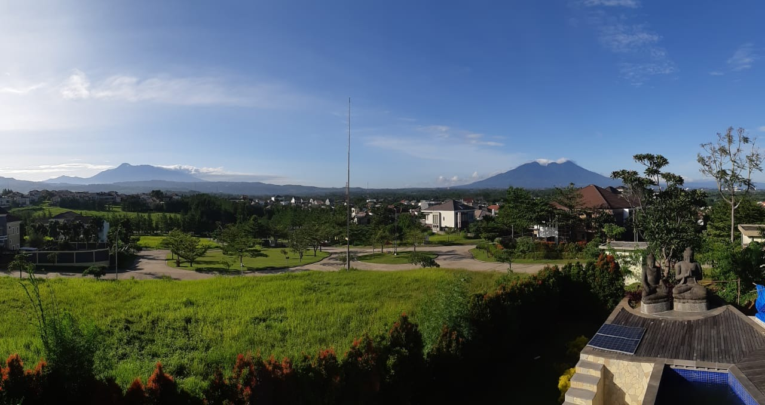
Double-entry data visualisation
yes ...all the stuff that is dirty... so when you see a graph with lot of black in it you need to do something about it...
When there is lot of black at the bottom; you need to get more battery capacity...
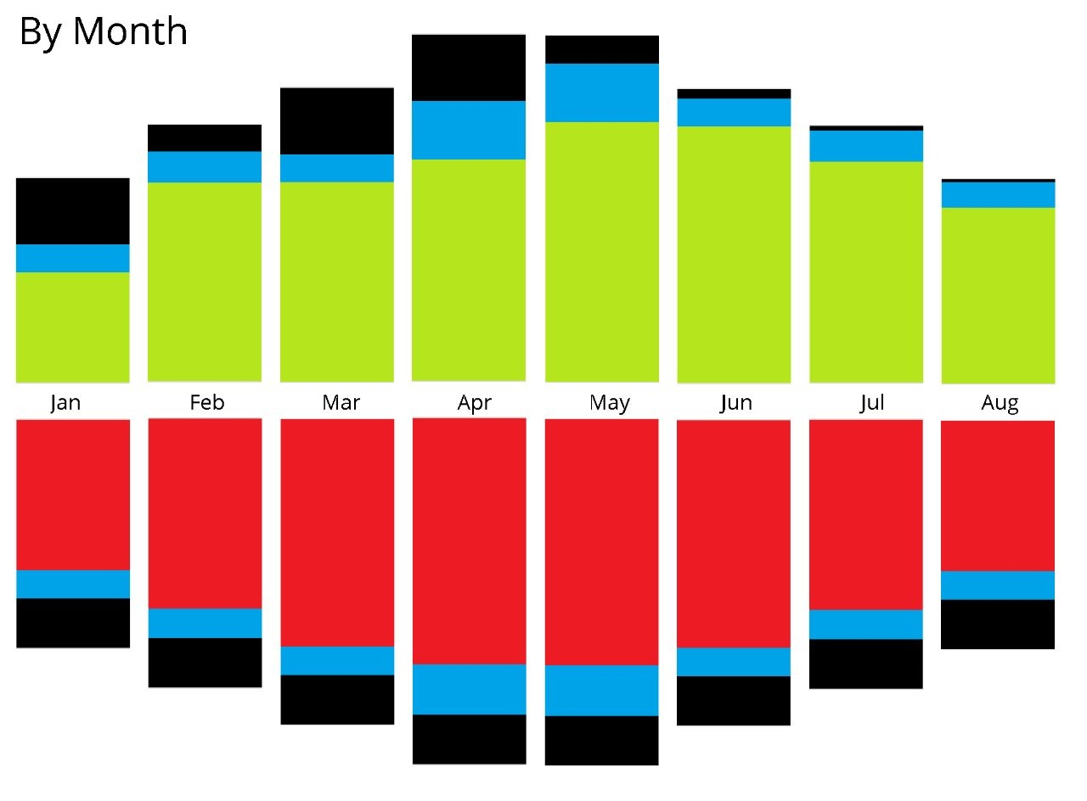
this is the double entry (up and down bar is same size)
in 1st hour all energy enjoyed came from the battery;
in 2nd hour half came from battery and other half from grid.
in 3rd hour all came from grid.
in 4th hour sun starts delivering,
in 10th hour harvest is more than enjoy and starts storing...
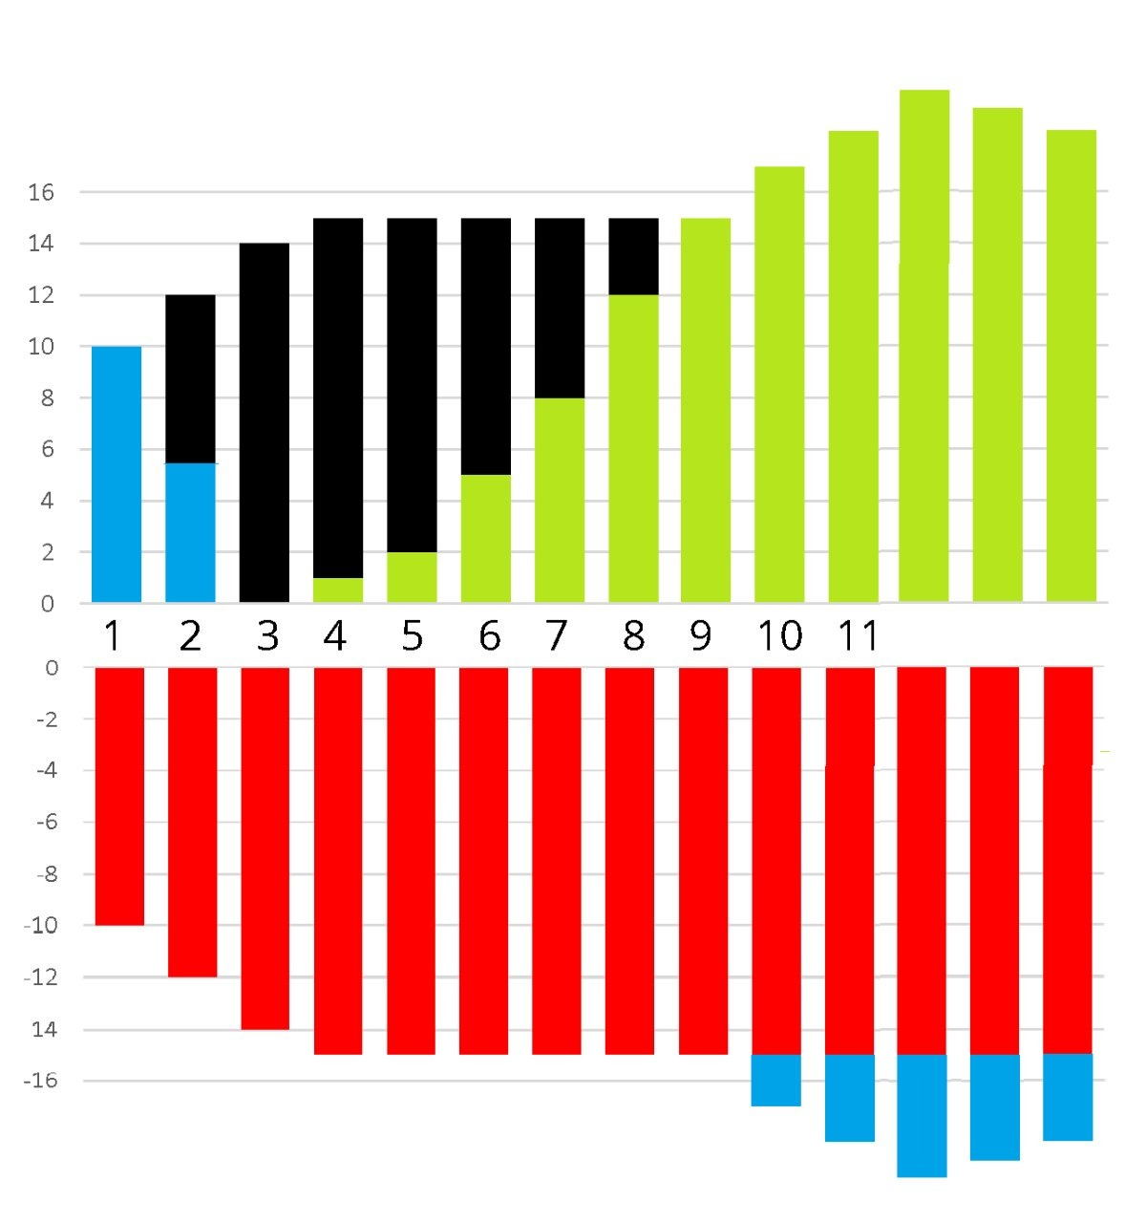

Energy Flows across G,H,S,E
 |  |  |  |  |  |  | Grid
 |  |  |  |  |  |  | Harvest
 |  |  |  |  |  |  | Enjoy
 |  |  |  |  |  |  | Store
 |  |  |  |  |  |  |  |  | Grid | Harvest | Enjoy | Store
 |  |  |  |  |  |  |  | Grid |  |  | G- E+ | G- S+
 |  |  |  |  |  |  |  | Harvest | H- G+ |  | H- E+ | H- S+
 |  |  |  |  |  |  |  | Enjoy
 |  |  |  |  |  |  |  | Store | S- G+ |  | S- E+
 | Enjoy + |  |  | Grid + | Store + | Store +

-
+

 | Grid - | Store - | Harvest - |  |  | Grid -

